Sheet1
Heart of the Rockies Regional Medical Center
Culture Chart
Test | Specimen | Storage | Container
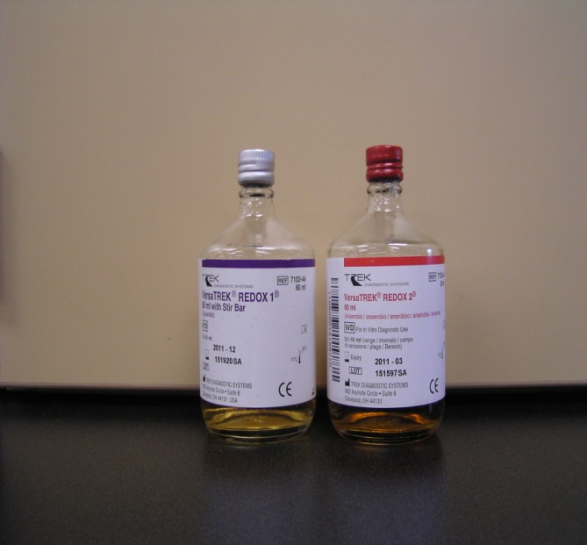
Blood Culture | Store blood culture bottles at 15-30C. Protect from light | Room Temperature
 | 8-10mls blood in aerobic and anaerobic bottles is optimum
 | If only 6mls blood is obtained, put 3mls in each bottle
 | If only 3mls is obtained, put all blood in aerobic bottle (purple)
 | Pediatric patients, minimum 0.5mls blood in aerobic bottle (purple

Body Fluid Culture | Body fluid in sterile container with no additive | Transport to
 | Use body fluid collection kit provided. | Lab ASAP
 | Indicate source

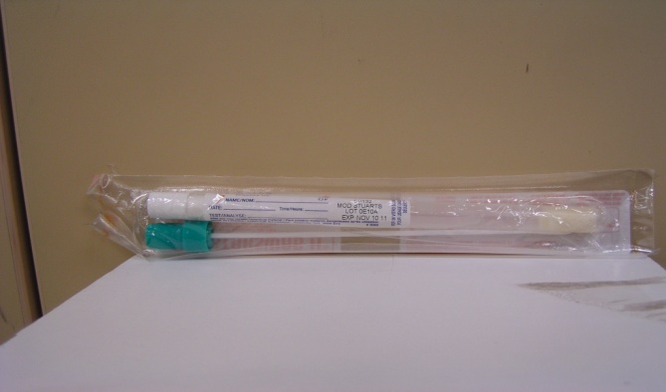
Fungal Culture | Fungal cultures, except for nasal cultures, may be collected in the eSwab. Nasal fungal cultures must be collected in the StarSwab. | Room Temperature
 | Skin scrapping, place in sterile container
 | Can not share swab with other cultures

Test | Specimen | Storage | Container
Ear | Both aerobic and anaerobic cultures | Room Temperature
Eye | use the eSwab, only one culture swab
Genital | is needed for both O2 and AnO2
Throat (full) | cultures
Wound
Umbilical | Indicate source
Skin
NP/Nose

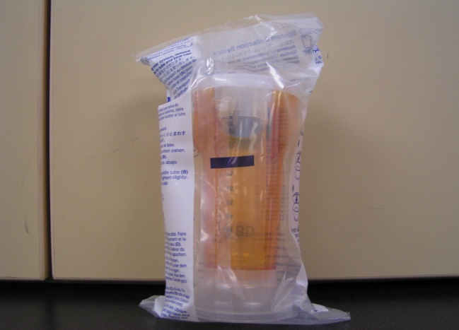
Sputum Culture | Deep “first morning” cough specimen in a sterile container | Transport to
 |  | lab ASAP

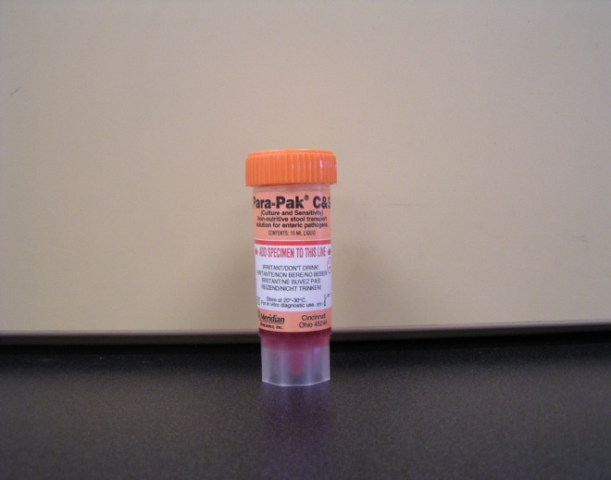
Test | Specimen | Storage | Container
Enteric Pathogen Panel with WBC | Place stool in Cary-Blair transport media (orange cap) to the fill line. | Room Temperature
Giardia Antigen | Mix well

Ova and Parasites | Fresh stool in the EcoFix fixative vial (green top) at a ratio of one part feces to three part fixative. | Room Temperature
 | Mix stool well after transferring into preservative.
 | Only put enough feces in container to bring fluid to line

 |  |  | 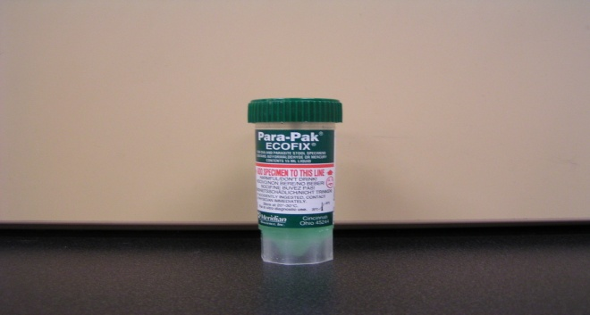

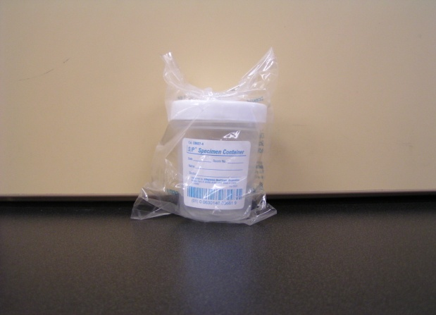
Test | Specimen | Storage | Container
Clostridium Difficile by PCR | Two or three grams of fresh unpreserved liquid or semi-formed stool in a clean leak-proof container free of soap residue | Refrigerate
 | Formed stool will be rejected | Immediately

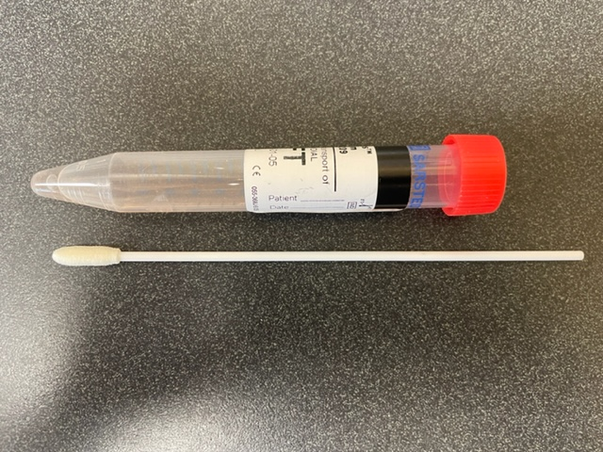
RSV or Inflenza A/B (see Cephied 4 Plex) | NP or OP swab in Viral Transport Media | Refrigerated for up
 |  | to 48 hours

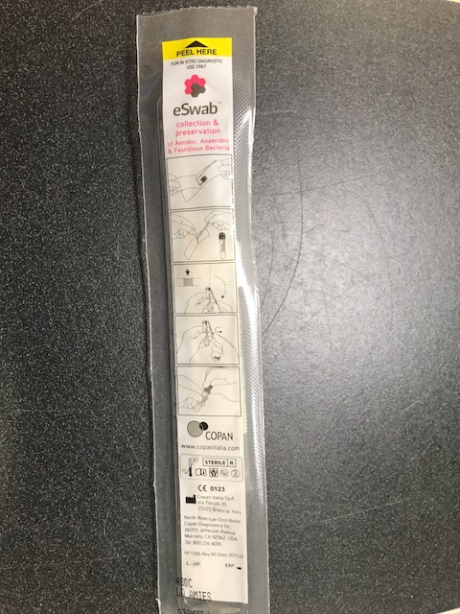
Test | Specimen | Storage | Container
Rapid Strep A by PCR and Group Strep B by PCR | eSwab | Room Temperature

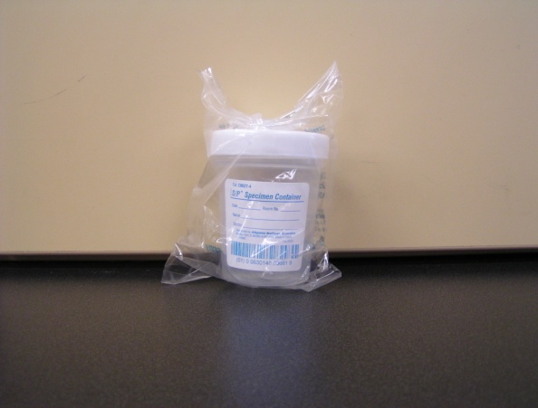
Fecal Fat | Fresh unpreserved liquid stool in a clean leak-proof container free of soap residue | Frozen Sample

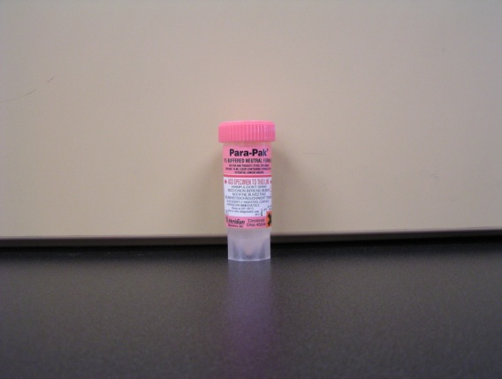
Cryptosporidium | Place stool in the 10% Formalin Fixative vial (pink top) to the fill line | Room Temperature
 | Mix well

Test | Specimen | Storage | Container
Viral Culture | Call the lab for specific requirements or look at the Mayo test catalog as this varies per virus and source.
Herpes Simplex. | Indicate source

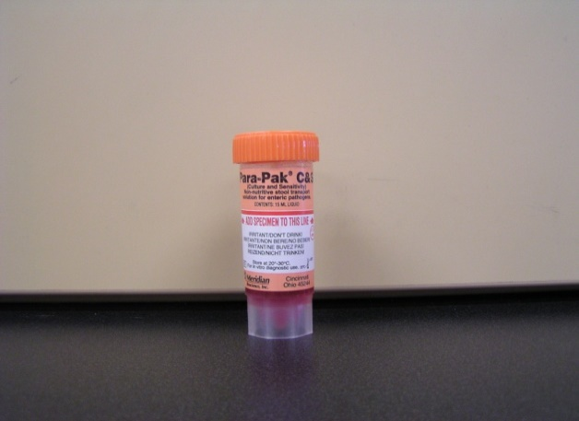
Giardia | Fresh stool in Cary-Blair transport media (orange cap) | Room Temperature
 | Mix well

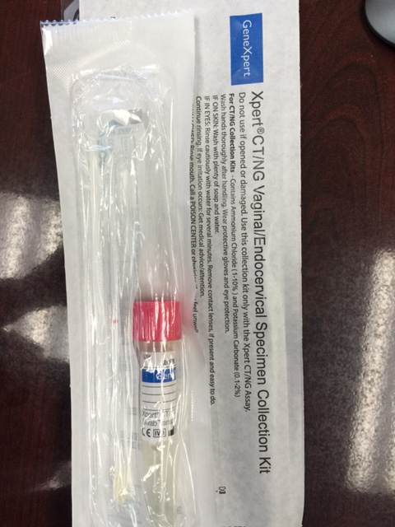
Test | Specimen | Storage | Container
CHLAMYDIA/GC | Specimen Type: Endocervial or Vaginal | Room Temperature
Vaginal or endocervical | Container/Tube:Cepheid Xpert CT/NG Vaginal/Endocervical Collection Kit
Xpert CT/NG Collection kits | Specimen Volume: Swab
 | Collection Instructions:
 | 1. Insert swab about 5 cm past introitus or into the vaginal and rotate gently for 30 seconds.
 | 2. Place swab into transport tube provided in collection kit. Snap off swab at score line so swab fits into closed tube.
 | 3. Cap tube securely, and label tube with patient's entire name, and date and time of collection.
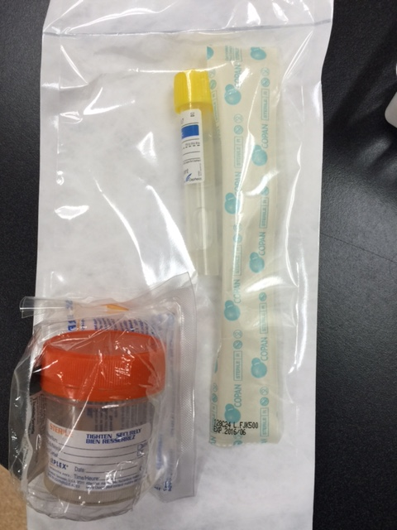
Chlamydia/GC | Specimen Type: Urine (Males and Females) | Preserved Room Temperature
Urine | Container/Tube: Cepheid Xpert CT/NG Urine collection kit or sterile urine container | Unpreserved Refrigerated
Xpert CT/NG Urine collection kit | Specimen Volume: 15-20 mL
 | Collection Instructions:
 | 1. First AM urine specimen preferred.
 | 2. Patient should collect first portion of random voided urine (first part of stream) into a sterile, plastic, preservative-free container.
 | 3. Unpreserved urine is acceptable or transfer 2 mL of urine into the urine specimen transport tube using the disposable pipette provided within 24 hours of collection. The correct volume of urine has been added when the fluid level is between the black fill lines on the urine transport tube.

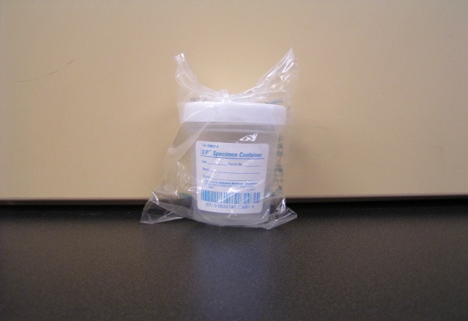
Test | Specimen | Storage | Container
Urine Culture | Clean catch or catheterized urine specimen in sterile urine cup or gray top urine culture tube. | Refrigerate

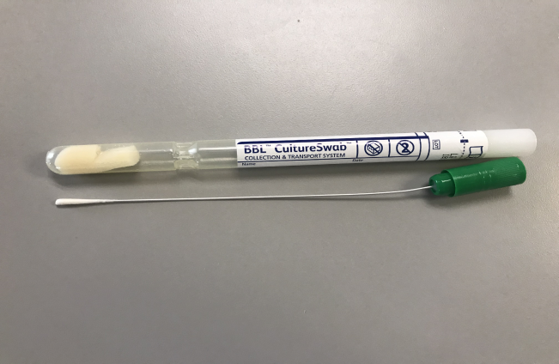
Bordetella pertussis | Nasopharyngeal swab Amies with charcoal | Refrigerate
PCR

Test | Specimen | Storage | Container
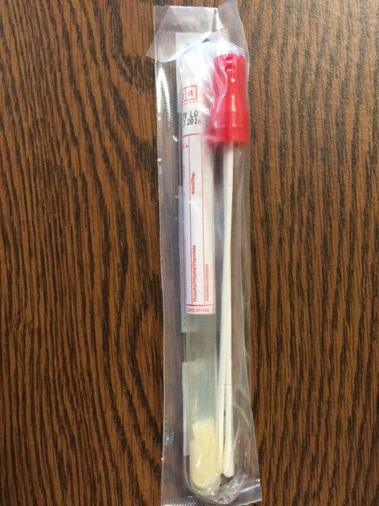
MRSA | Red top Copan double Swab | Room Temp
PCR

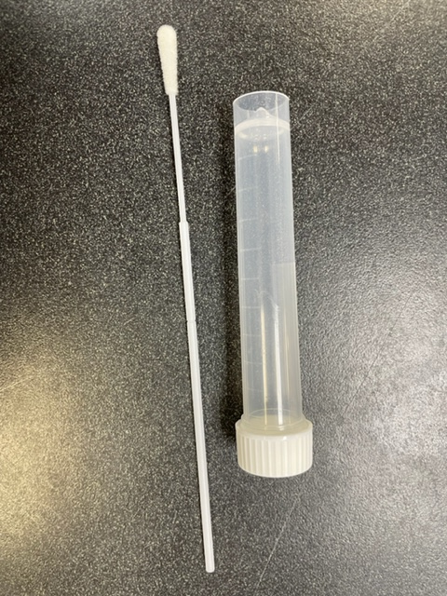
Test | Specimen | Storage | Container
Abbott ID Now: Covid Only | NP or OP swab in transport vial, no VTM. | Room Temp
NAAT | Must be transported and ran immediately

Cepheid: 4plex or COVID only | NP or OP swab in Viral transport media | Room Temp
PCR
The 4 Plex includes: SARS-Cov-2, Influenza A/B and RSV

